TestSummary
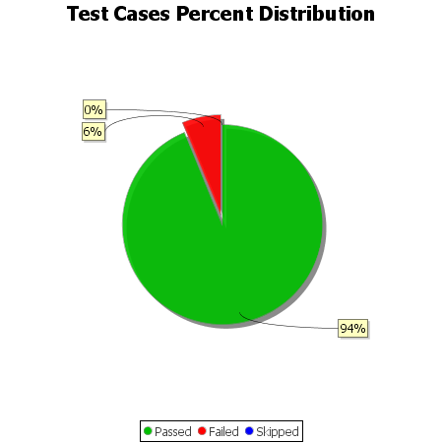
Total Test Cases | 16
Test Cases Passed | 15
Test Cases Failed | 1
Test Cases Skipped | 0

